Initial HVS Rego Check List
Initial Conditional Registration Check List
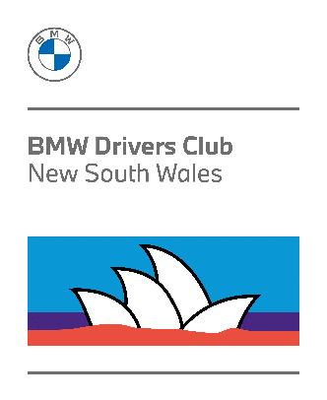
 | Member Family Name
 | Member given Name
 | Member Number
 | Vehicle Model
 | Vehicle Registration Number
 | Vehicle Odometer Reading (km or Miles)
 | Date of renewal application:

Item | Details | Check (Yes or No) | Comments
1 | Financial Club Membership for full period of Rego? |  | If 'No' then renew membership on-line and provide remittance advice emailed to Registrar.
2 | BMW Club Historic Vehicle Statutory Declaration signed and witnessed |  | Form must be formally witnessed Refer Page 2 of form for details | Documents to be submitted in PDF format
3 | Current NSW Registration Certificate |  | Information used to update member's vehicle details
4 | Pink or Blue Slip safety inspection |  | Inspection Report Number and date performed must be visible
 | Application for Conditional Registration Form 45070939 |  | Scanned or provided in PDF format only
5 | Historic Vehicle Declaration Form 45070967 (preference for member to only use edited PDF file) |  | Once this file has been electronically edited, please Save to a local device folder. The saved or printed PDF version is to be submitted
6 | Photo 1 Front 3/4 view |  | ALL photos must be in JPEG format with time and date information provided. (current newspaper or Torque of the Town in foreground can be sufficient if the meta data is not available) | Photgraphs to be submitted in JPEG format (several emails if necessary)
7 | Photo 2 Rear 3/4 view
8 | Engine Bay
9 | Interior (Seats)
10 | Interior Dashboard (with Odometer Reading)
11 | Front Wheel / Brake assembly
12 | Rear Wheel / Brake assembly
13 | Suspension Front
14 | Suspension Rear
15 | Payment of $15.00 for return of HVD |  | Email remittance advice to historic@bmwclubnsw.asn.au as proof of payment
 |  | Resubmit Missing information | Email all files to historic@bmwclubnsw.asn.au Documents shall only be accepted in PDF format and Photos in JPEG format, as attachments

